开发产品
序号 | 图片 | SKU | 中文名称 | 英文名称 | 参考描述 | 成本价RMB | 净重-G | 长CM | 宽CM | 高CM | 体积重-G | 包材 | 特殊属性 | 备注 | 默认供应商名称 | 采购链接 | 已选择店铺 | 竞品信息 | 利润率
1 | 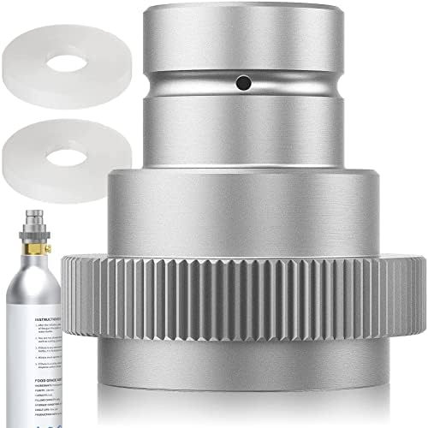 | DG66MYC800 | 旧款-银色(TR21-4) 苏打CO2适配器快速连接 | CO2 Quick Adapter, Quick Adapter for CO2 Soda Compatible with Duo/Terra/Art, Adapter for Sodastream 425 g Cylinder 60L Trapezoidal Thread TR21-4, Silver, F-QC1.0-S Aissom | 1.CO2 soda water adapter is made of high quality brass material, high strength, hardness, chemical resistance, strong and durable, the polished surface treatment makes CO2 adapter accessories better sealed, antioxidant, rust-proof and durable. 2.Quick Connect QC is compatible with DUO, ART and TERRA, it is suitable for standard CO2 bottles with traditional TR21-4 trapezoidal thread, it can hold up to 60L and 425g CO2 bottles. 3.Easy to install: you need to remove the following pink part from the bottom of the soda machine (pull the pin), Duo and ART bubble machines need to cut out a small piece of the housing from the cylinder compartment to do this, easy and convenient. Package Included: 1*CO2 Quick Adapter | 35 | 52 | 4.5 | 4.5 | 4 | 0.014 | 1 | 普货产品 | 20个起批价格35元 | 东莞市珺瑶精密机械科技有限公司 | https://detail.1688.com/offer/719865973258.html | amz-MG-FBADE amz-AU-FBADE 有需求有利润，可以尝试 | 链接:https://www.amazon.de/dp/B0BZNT37XR 大类排名:95193 售价:16.990EUR 上架时间:2023-03-27 | 售价:16.990EUR 海外仓尾程费用:3.040EUR 利润(CNY):22.134 利润率(%):17.970%
2 | 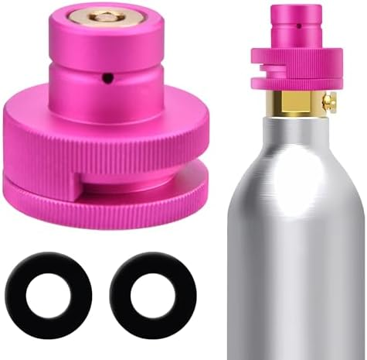 | DG66M1W600 | 紫色 TR21-4 苏打CO2适配器连接Sodastream DUO,TERRA,Art 气瓶 | Quick Adapter for CO2 Cylinders Compatible with Duo/Terra/Art/E-Duo/Crystal 3.0/Gaia Sparkling Water Heater, Quick Adapter for 60L CO2 Cylinder with TR21-4 Trapezoidal Thread, Adapter with 1 | 1.Thanks to the use of high-quality aluminium alloy material and a fine manufacturing process, the adapter has excellent durability and long service life and can stably connect CO2 bottles and beverage vending machines. 2.This adapter is suitable for 60 litre CO2 cylinders with traditional TR21-4 trapezoidal thread and is compatible with sparkling water machine models such as DUO, ART, TERRA and E-DUO/Crystal 3.0/Gaia. Easily connect conventional carbon dioxide bottles to new sparkling water machines to meet the needs of different users. 3.Convenient installation: the adapter has a simple design and is easy to install. No specialist knowledge is required, and everyone can easily complete the installation process. Simply plug the adapter into the interface of the water bubble machine and then screw the CO2 cylinder Quick Connect into the adapter. 4. The gas bottle adapter is equipped with a seal that ensures sealing and stability and ensures that the connection between adapter and cylinder is tight and does not leak, so you can enjoy the long-lasting soda bubble effect. 5.the adapter has a split design, which makes installation quick and easy. For models such as Terra, DUO and ART, installation can be done without removing the machine base, avoiding damage to the machine itself. Package Included: 1*Quick Adapter for CO2 Cylinders | 35 | 54 | 7.5 | 5.5 | 4 | 0.028 | 1 | 普货产品 | 20个起批35元 | 东莞市珺瑶精密机械科技有限公司 | https://detail.1688.com/offer/748627792296.html | amz-MG-FBADE amz-AU-FBADE 竞争大，竞品B0DP5ZZ97J售价13.99，抢占大部分市场份额，但价格在15.99-19.88的竞品仍有销量，需求较大，可以少量尝试 | 链接:https://www.amazon.de/dp/B0D3KPZWSY 大类排名:495827 售价:16.590EUR 上架时间:2024-05-08 链接:https://www.amazon.de/dp/B0CW9VD4NC 大类排名:296373 售价:19.880EUR 上架时间:2024-02-23 链接:https://www.amazon.de/dp/B0CNVDYJWW 大类排名:18961 售价:19.990EUR 上架时间:2023-11-23 链接:https://www.amazon.de/dp/B0DT45838M 大类排名:14479 售价:15.990EUR 上架时间:2025-01-15 | 售价:16.590EUR 海外仓尾程费用:3.040EUR 利润(CNY):19.332 利润率(%):16.070%
3 | 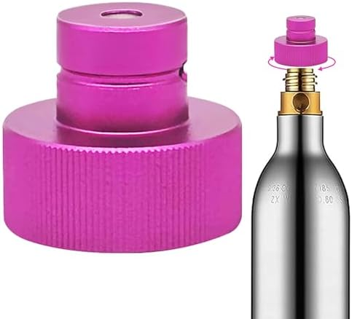 | DG66M34N00 | 紫红色 tr21 转快扣苏打水机转接头 | Quick Connect CO2 Cylinder Adapter, CO2 Quick Adapter, Quick Adapter for CO2 Soda Compatible, Quick Connect CO2 Adapter for Soda Universal CO2 Cylinder with TR21-4 | 1. CO2 adapter soda quick connect made of high-quality aluminium alloy, with high strength and hardness, safe and environmentally friendly, anti-rust, anti-corrosion and anti-oxidation, robust and durable 2. CO2 cylinder quick connect adapter specially designed for soda sparkling water universal bottle, compatible with regular trapezoidal TR21-4 thread air bottle, practical and strong 3. CO2 quick adapter for soda water bubble made of high-quality materials, polished surface treatment, deep and clear thread into the inner hole, even force, the package contains two seals, no air leakage to ensure the effect of soda water bubbles to meet your needs for sparkling water and carbonated drinks 4.Easy to install: the soda purifier adapter can be easily connected to the universal carbonated bottle, simple and easy to use, meet your daily needs Package Included: 1*Quick Connect CO2 Cylinder Adapter | 28.5 | 60 | 12 | 10 | 4 | 0.08 | 1 | 普货产品 | 20个以上价格28.5元 | 浙江申孚流体科技有限公司 | https://detail.1688.com/offer/854017472041.html | amz-MG-FBADE | 链接:https://www.amazon.de/dp/B0DWSJZ55B 大类排名:299039 售价:14.990EUR 上架时间:2025-02-11 | 售价:14.990EUR 海外仓尾程费用:3.040EUR 利润(CNY):19.052 利润率(%):17.530%
4 | 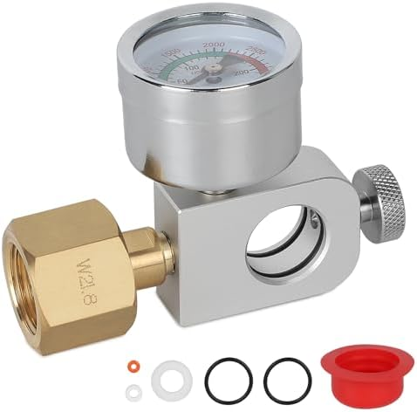 | DG66MD3300 | 欧洲-W21.8 带3500psi压力表-轴向 苏打瓶充气接头充气阀带压力表 | Adapter Soda-Stream Quick Connect for W21.8-14 CO2 Cylinder, CO2 Gas Bottles Refill Adapter with 3500 psi Pressure Gauge, Compatible with Soda-Stream Duo, Art, Terra, Crystal 3.0, Gaia | 1.Compatibility: the soda adapter is perfectly compatible with the CO2 bottle models DUO, Terra, Art, E-Terra, Crystal 3.0 and Gaia without thread with pink quick connection without check valve. Before purchasing, make sure your CO2 cylinder connections comply with the W21.8-14 standard. Note that it also does not apply to RPV valves used in industrial or professional equipment! 2.Easy and safe: with the CO2 adapter, you no longer have to replace empty CO2 bottles to fill the bottles efficiently at home and thus save more money. The screw-on pressure outlet valve locks the bottle securely, ensures a safer and more stable filling process and prevents leaks and overpressure. 3.the pressure gauge is labelled with a maximum pressure value of 3500 psi or 250 bar, so you can monitor the current gas output pressure at any time. The brass thread connection with built-in filter prevents gas leakage. Included is replacement gasket that can be replaced immediately in the event of deterioration or damage to the existing gasket. Tip: Before filling, familiarize yourself with the maximum capacity or working pressure of your bottle and check whether the bottle is empty, as well as clean the ports of dust and dirt. Slowly open the valve of the CO2 bottle during inflation and then check again if the connection and seals are intact. Package Included: 1* Adapter Soda-Stream Quick Connect | 85.5 | 160 | 11 | 10.5 | 4.3 | 0.083 | 1 | 普货产品 | 20个以上76元 | 东莞市珺瑶精密机械科技有限公司 | https://detail.1688.com/offer/694250694095.html | amz-MG-FBADE amz-AU-FBADE 需求相对较少，但店铺有类似款，可以作为拓展产品，捆绑变体销售 | 链接:https://www.amazon.de/dp/B0D22LZR6N 大类排名:343116 售价:37.990EUR 上架时间:2024-04-18 | 售价:37.990EUR 海外仓尾程费用:3.400EUR 利润(CNY):65.367 利润率(%):23.730%
5 | 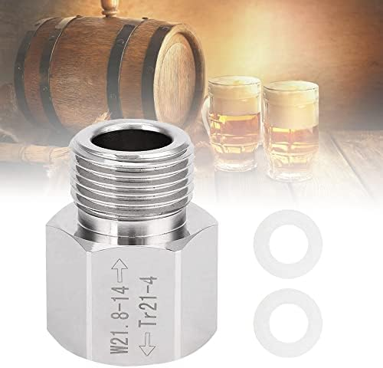 | DG66M8S000 | 银色 TR21-4转W21.8 苏打气瓶二氧化碳减压阀接头 | CO2 Cylinder Adapter Reusable Soda Cylinder Adapter Aluminium Aquarium Cylinder Adapter for Soda Cylinder Plug TR21 4 to W21.8 CO2 Tank Regulator for Aquariums/Home-brewed Barrel | 1.Made of high quality aluminum, which is durable and has a shiny surface for a long service life. Our CO2 cylinder adapters are stronger than ordinary materials, with stable properties and excellent rust resistance. 2. Adapter compatible with TR21-4 to W21.8 plugs. This is an ideal adapter for connecting gas bottles to your existing aquarium cylinder adapter or homemade mini beer keg regulator etc. 3.Easy to store and carry: this soda cylinder adapter is compact and lightweight, making it perfect for on the go and daily storage. Due to the small size of the CO2 cylinder adapter, no larger adapter needs to be carried with you. This soda cylinder adapter makes brewing at home more convenient. 4.Easy to use: our aquarium cylinder adapters are easy to use and do not require complicated installation steps, but you need to tighten the connectors or there may be audible noise. However, it is not recommended for AU bottles and NZ SodaStream bottles. Package Included: 1 adapter 2 seals | 17 | 30 | 4 | 3.5 | 3 | 0.007 | 1 | 普货产品 | 20个以上15元 | 东莞市珺瑶精密机械科技有限公司 | https://detail.1688.com/offer/610876566016.html | amz-MG-FBADE amz-AU-FBADE 有需求有利润，可以尝试 | 链接:https://www.amazon.de/dp/B0DXDD7842 大类排名: 售价:14.160EUR 上架时间:2024-12-25 链接:https://www.amazon.de/dp/B0CMPG41ZY 大类排名:923943 售价:13.590EUR 上架时间:2023-11-05 链接:https://www.amazon.de/dp/B0B7MJNK31 大类排名:161260 售价:13.990EUR 上架时间:2022-07-26 | 售价:13.990EUR 海外仓尾程费用:3.040EUR 利润(CNY):26.194 利润率(%):25.830%
6 | 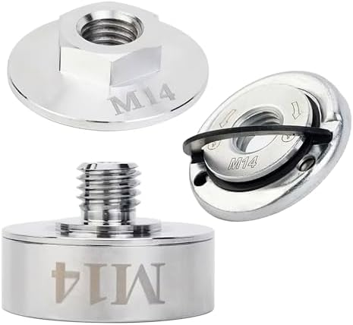 | DG66MUW500 | M14转换接头+锁紧法兰+压板1套 X锁扣转换接头 | X Lock Adapter Set, Quick Release Nut M14, Stainless Steel 304, Professional Angle Grinder Accessories, Robust and Durable, High Hardness, for Cordless Angle Grinder (Silver) | 1. X lock adapter made of high-quality 304 stainless steel, robust and durable, rust-proof and resistant to harsh environments, durable. 2.Compatibility: suitable for all angle grinders with M14 connection, rechargeable angle grinders and so on the market. 3.Quick installation: X lock M14 quick release nuts are designed for easy installation on angle grinders, saving time and safety. 4.Safe and stable: quick-release nut M14 provides a more stable grinding or cutting disc attachment to ensure safe performance at high speeds. Package Included: 1 x lever 1 x M14 adapter 1 x fuse flange | 79 | 228 | 15 | 10 | 4 | 0.1 | 1 | 普货产品 |  | 厦门艾斯通商贸有限公司 | https://detail.1688.com/offer/745487656742.html | amz-MG-FBADE amz-AU-FBADE 同款竞品少，25年上架新品销量好，市场需求好，可以考虑 | 链接:https://www.amazon.de/dp/B0DYNPY613 大类排名:104521 售价:31.290EUR 上架时间:2025-02-27 | 售价:31.290EUR 海外仓尾程费用:3.040EUR 利润(CNY):43.427 利润率(%):19.140%
7 | 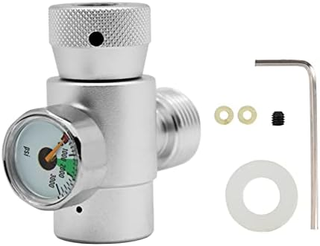 | DG66MDDF00 | TR21-4 带3000psi压力表 苏打钢瓶接头带压力表W21.8-14接头用于啤酒水草缸 | Health Gear CO2 Cylinder Refill Adapter, CO2 Refill Adapter Connector, CO2 Tank Refill Adapter Connector Kit, CO2 Filling Tank Cylinder Refill Adapter Connector Kit for SodaStream (Silver) | 1.Made of high quality aluminum, light weight, high strength, easy ductility, long service life and high efficiency 2.Suitable thread: carbon dioxide water refill adapter can be very suitable for W21.8-14 / TR21-4 quick connection soda tank. 3.Good sealing effect: Unique CO2 adapter thread, good sealing effect, so that the gas body does not enter the gas storage tank for a long time. 4.Easy to use: Small size, easy to carry, beautiful appearance, with a good CO2 filling adapter. Hold the cylinder in one hand and use a wrench to attach the adapter/regulator to the cylinder. Small size, easy to carry, beautiful appearance, with a good CO2 filling adapter. 5.Widely used in fire fighting, diving shops, snorkel diving systems and filling paintball tanks, ideal for remote systems or CO2 gas stations to deflate air from cylinders Package Included: 1 x CO2 Filling Tank Cylinder Refill Adapter | 42.75 | 100 | 7.5 | 6 | 3 | 0.023 | 1 | 普货产品 |  | 东莞市珺瑶精密机械科技有限公司 | https://detail.1688.com/offer/723354201628.html | amz-MG-FBADE amz-AU-FBADE 需求相对较少，但店铺有类似款，可以作为拓展产品，捆绑变体销售 | 链接:https://www.amazon.de/dp/B0CDPQ46L5 大类排名:559203 售价:22.990EUR 上架时间:2023-08-04 链接:https://www.amazon.de/dp/B0C5JL1HD6 大类排名:1550319 售价:19.070EUR 上架时间:2023-05-17 | 售价:19.070EUR 海外仓尾程费用:3.040EUR 利润(CNY):24.212 利润率(%):17.510%
8 | 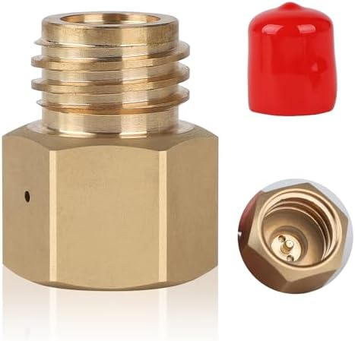 | DG66ME9R00 | TR21-4转TR21-3 +红色盖子 苏打水CO2二氧化碳Quooker Cube转换黄铜接头 | 1 Piece Soda Cylinder Stream Thread Converts Adapter Suitable for Quooker Cube Tank Female Tr21-4 to Male Tr21-3 Good Sealing Performance, High Hardness | 1. the converter head is made of brass with good corrosion and abrasion resistance, which ensures the durability and airtightness of the connection, suitable for long-term use and not easy to damage by corrosion. Compact size is also convenient to use in outdoor activities. 2.Compatibility: this small converter offers the flexibility to use TR21-4 threaded soda bottles that would otherwise require TR21-3 threaded bottles. It effectively utilizes existing TR21-4 bottle resources and reduces the number of bottles disposed of due to bottle model incompatibility. 3.the working pressure can be lower than 3000 psi (approx. 207 bar), much higher than the conventional operating pressure of home soda maker (usually no more than 100-120 psi), within the safety range can effectively resist and control the high-pressure gas to ensure the safety and stability of the inflation process. 4.Easy to use: when connecting the gas bottle, first align the threaded connection and then screwing in by hand, then moderately reinforced with a wrench, but not with excessive force so as not to damage the sealing ring of the threaded load. Finally, slowly open the gas supply and pay attention to any leaks Package Included: 1 x Cylinder Thread Converts Adapter | 45 | 80 | 5.7 | 4 | 2.8 | 0.011 | 1 | 普货产品 | 20个以上35元 | 东莞市珺瑶精密机械科技有限公司 | https://detail.1688.com/offer/795408294623.html | amz-MG-FBADE amz-AU-FBADE 有需求有利润，可以尝试 | 链接:https://www.amazon.de/dp/B0CRGHF3NT 大类排名:648974 售价:21.590EUR 上架时间:2024-01-03 链接:https://www.amazon.de/dp/B0CMTXMRNM 大类排名:28357 售价:18.990EUR 上架时间:2023-11-07 链接:https://www.amazon.de/dp/B0D22NCHJ9 大类排名:51365 售价:24.990EUR 上架时间:2024-04-18 | 售价:24.990EUR 海外仓尾程费用:3.040EUR 利润(CNY):49.546 利润率(%):27.350%
9 | 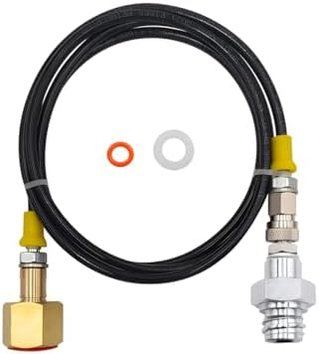 | DG66M09B00 | 60寸*欧洲W21.8黑胶管 苏打水机气泡水机充气管 | CO2 Adaptor Hose High Pressure 1.5 m for Grohe Blue Home Machine to 2-10 kg Bottles Tank Cylinder | 1.Our DN3 6mm micro drill hose is not easy to break, lightweight and practical. Available in a hose length of 5 ft (1.5 metres) or 90 cm/36 inches. The high pressure hose has a working pressure of 630bar/9000psi, making it easy to handle without worrying about wrinkles or breakage. 2.Our CO2 adapter hose high pressure is designed to allow the use of a standard DIN477/W21.8 large CO2 tank in most machines. Compatible with the Grohe Blue Home water machine 3.Save money on refilling with our high pressure CO2 adapter hose. The system allows you to connect your Blue Home carbonated water machine to an external CO2 tank without siphon that features DIN477/W21.8 outlet valve, such as 5lb, 20lb or 50lb commercial CO2 tanks. 4.Our CO2 adapter hose high pressure can be used with a variety of machines and applications that require high pressure CO2. Package Included: 1 x CO2 Adaptor Hose High Pressure 1.5 m | 118.75 | 332 | 19 | 13.5 | 3 | 0.128 | 3 | 普货产品 | 20个以上106.4元 | 东莞市珺瑶精密机械科技有限公司 | https://detail.1688.com/offer/687313756766.html | amz-SU-FBADE 有一定需求 | 链接:https://www.amazon.de/dp/B0C7387GNY 大类排名:196025 售价:59.990EUR 上架时间:2023-06-05 | 售价:59.990EUR 海外仓尾程费用:3.040EUR 利润(CNY):137.590 利润率(%):31.640%

